Test Statistics
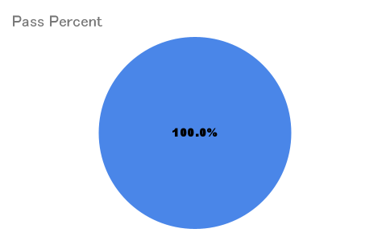
TEST STATISTICS

Project Name |  |  | Creator
Project Code |  |  | Reviewer/Approver
Document Code |  |  | Issue Date
Notes | This test report includes all modules of the Project Management System: Authentication,Employee Manager,Table Manager,Booking Manager ,Dashboard Managment,Dishes management,Order Management,DiscountCodeManagement,FeedbackManagement,Categories management,Combo management

No | Module code | Passed | Failed | Pending | N/A | Number of test cases
1 | Authentication | 14 | 0 | 0 | 0 | 14
2 | Account Management | 21 | 0 | 0 | 0 | 21
3 | Table Management | 8 | 0 | 0 | 0 | 8
4 | Booking Management | 14 | 0 | 0 | 0 | 14
5 | Dashboard Managment | 3 | 0 | 0 | 0 | 3
6 | Point Setting | 15 | 0 | 0 | 0 | 5
7 | Dishes management | 17 | 0 | 0 | 0 | 17
8 | Order Management | 19 | 0 | 0 | 0 | 19
9 | DiscountCodeManagement | 6 | 0 | 0 | 0 | 11
10 | FeedbackManagement | 5 | 0 | 0 | 0 | 5
11 | Categories management | 8 | 0 | 0 | 0 | 8
12 | Combo management | 10 | 0 | 0 | 0 | 15
 | Sub total | 140 | 0 | 0 | 0 | 140

 | Test coverage |  | 100.00 | %
 | Test successful coverage |  | 100.00 | %

Test Report

